How to use this form
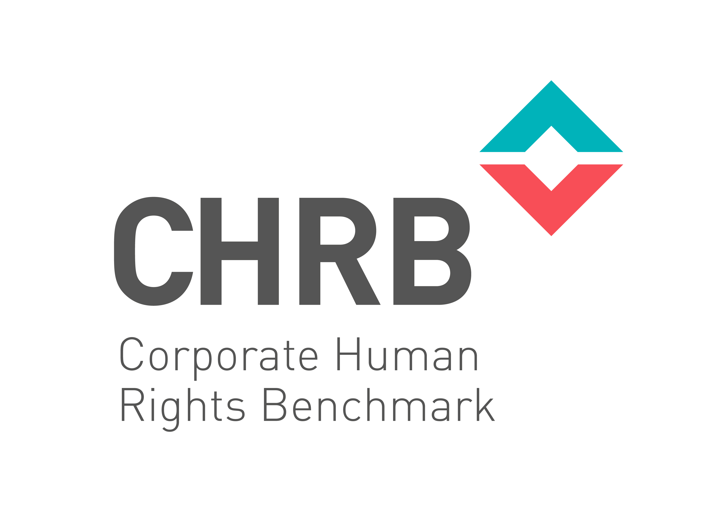 CHRB Disclosure Form 2018

Sector | Extractives
Company Name (to be completed by the company) | BHP Billiton
Date completed (to be completed by the company) | 23-Mar-18

Introduction
This spreadsheet has been provided by CHRB to support companies and researchers during the 2018 Benchmark cycle. It provides guidance to companies, plus it allows for companies to direct CHRB researchers towards relevant evidence and documentation that may demonstrate a company is meeting the requirements of the CHRB indicators. It is not compulsory; CHRB will conduct the research and rank companies regardless of whether they complete this form. However, it will speed up the research and engagement process if companies can direct researchers to specific documents/wording which may justify a certain score in the assessment. Companies are encouraged to put their name in the box above, complete the relevant sections of the ‘Themes A-D’ tab and return this form to company@corporatebenchmark.org by 30th March 2018. Companies can also disclose their completed form through the CHRB Disclosure Platform by 30th March, but please note that the form will then be publicly viewable. Note that companies can not provide information that will support assessment of Themes E and F at this stage.

List of tabs
• General Guidance – This tab provides some general guidance regarding the wording of statements, relationships with Joint Ventures and assessment under multiple sectors. • Themes A-D – This tab is for companies to use in line with the instructions below. • Scoring Rules – This tab sets out how the different indicators and Themes in the CHRB Methodology are scored. • Dropdowns – This tab does not need to be read and should not be changed

Instructions for Tab "Themes A-D"
1. Have the CHRB 2018 Methodology document available for reference 2. Read the ‘General Guidance’ tab 3. Open the Themes A-D tab 4. Select an Indicator (e.g. A.1.1) 5. Read the indicator description and scoring requirements 6. Read the guidance (if relevant) in the yellow boxes 7. Review company public documentation and consider what document/s may demonstrate the company has met the requirement 8. In the light-grey boxes in column C/D, list the evidence document (web-address, page/section reference if appropriate), plus provide a commentary if relevant that justifies / relates the evidence to the requirement 9. Ensure that the referenced documents are still publicly available. Where a company wishes to publish additional material outside of its own website and in relation to the CHRB, they may do so at the CHRB Disclosure Portal - https://business-humanrights.org/en/disclosure-to-the-corporate-human-rights-benchmark-2018 hosted by the Business and Human Rights Resource Centre. 10. Where a company wishes to track its own (self-assessed) fulfilment of the CHRB indicator requirements, Column E allows for this to be recorded (note – CHRB researchers will make a judgement call on the fulfilment of the requirements) 11. Save the file as ‘Your company name – CHRB 2018 Disclosure Form – DATE’ 12. Send the file to company@corporatebenchmark.org by the 30th March 2018, or publish it on the CHRB Disclosure Platform (in which case it will be publicly viewable)

